charts
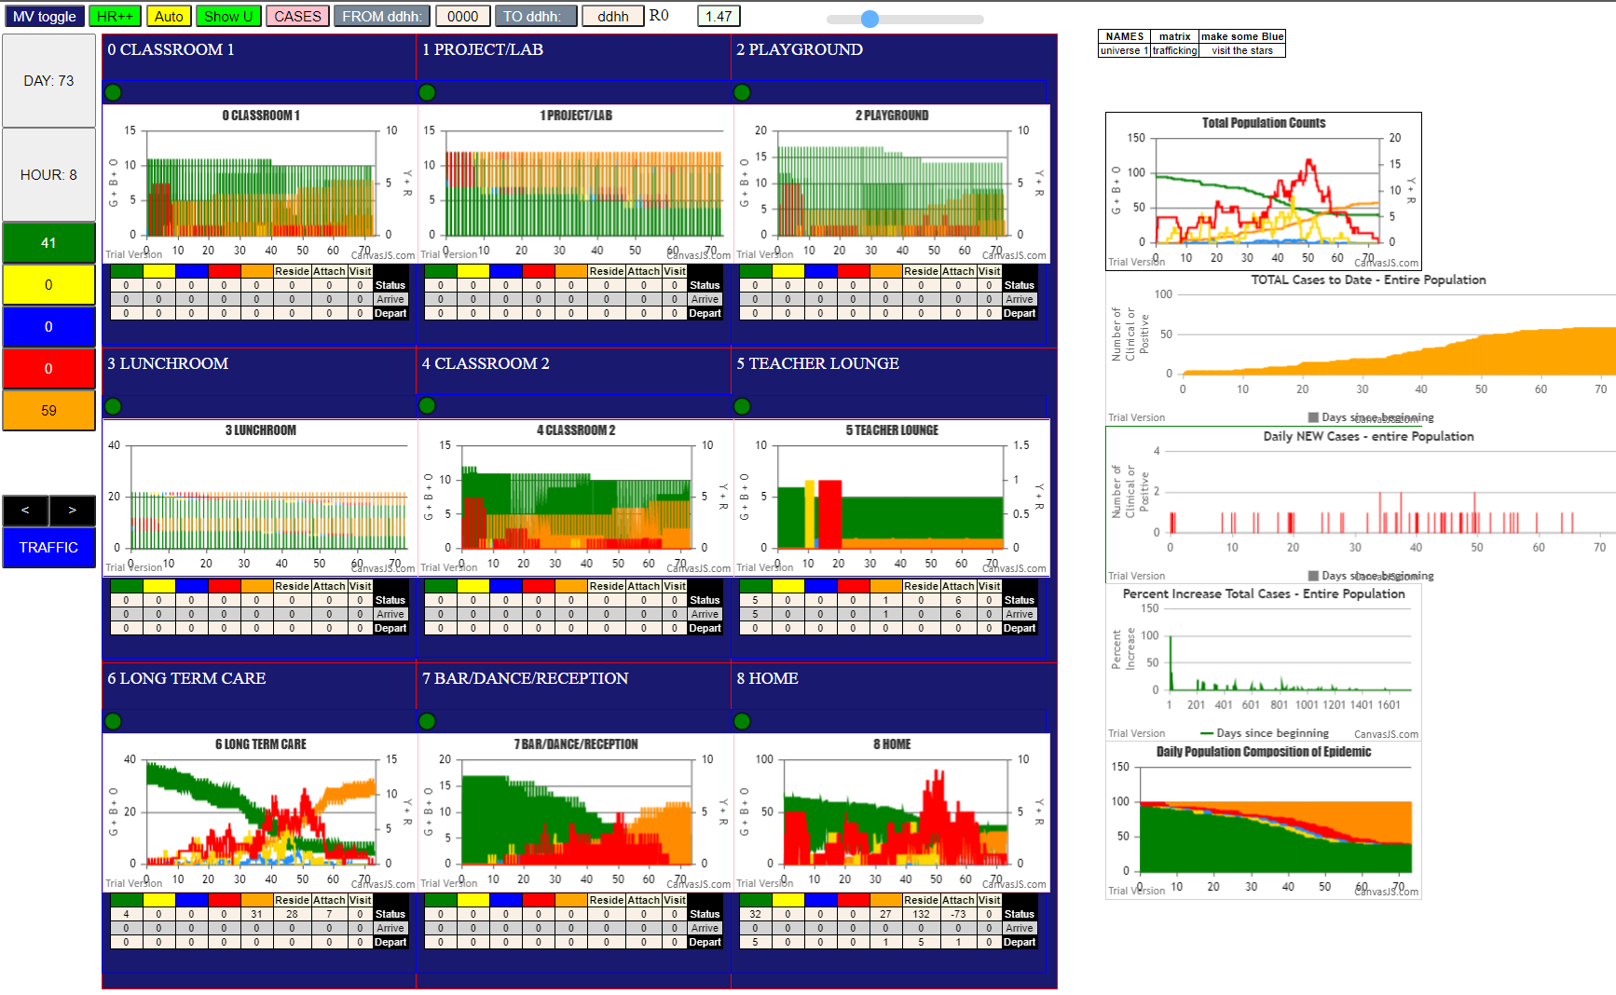

Mingle Factor = 1.5

